Q1
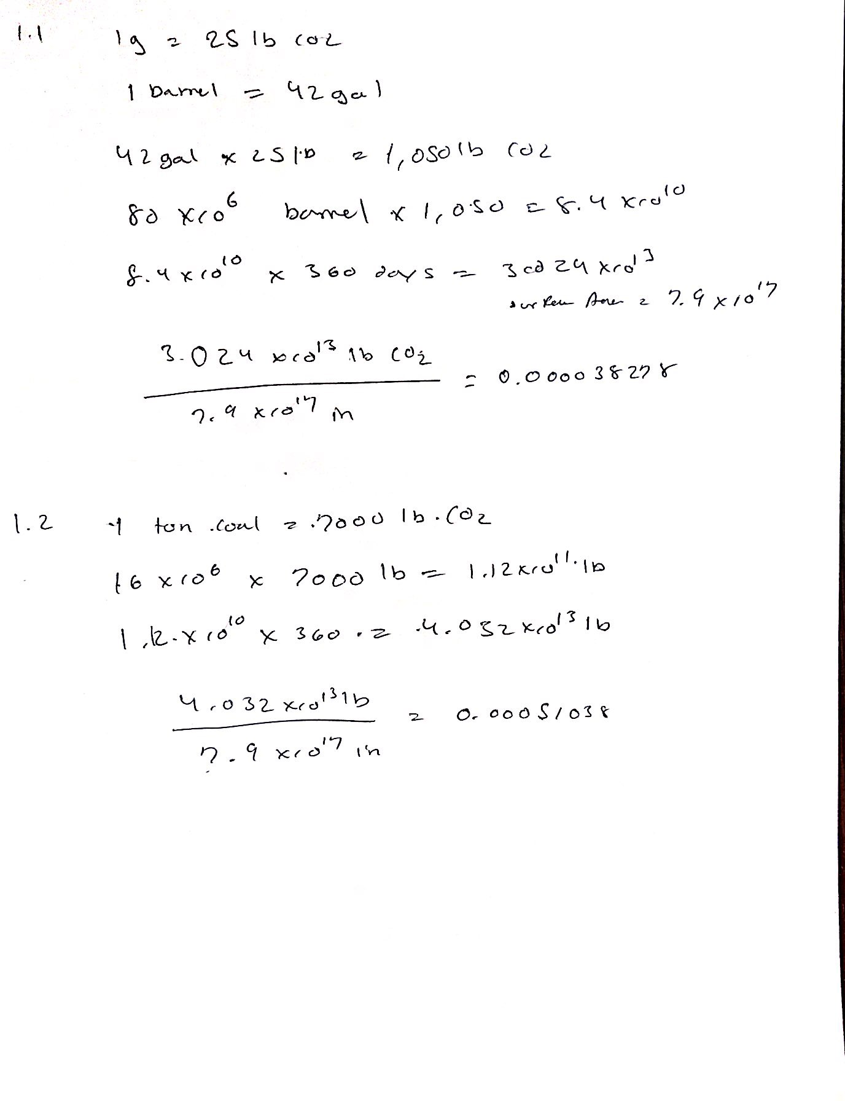

Monthly Data Q2
U.S. Energy Information Administration
December 2016 Monthly Energy Review

Note: Information about data precision.

Release Date: December 22, 2016
Next Update: January 27, 2017
 |  |  | Amount | Date
Table 10.1 Renewable Energy Production and Consumption by Source |  | Start Value | 16.536 | 2014-01-01
 |  | End Value | 21.342 | 2014-12-01
Month | Solar Energy Consumption | Annual Percentage Growth rate of 2014
 | (Trillion Btu) | 0.023465364649
1989-01-01 | 2.881
1989-02-01 | 3.105
1989-03-01 | 4.37
1989-04-01 | 4.844
1989-05-01 | 5.237
1989-06-01 | 5.346
1989-07-01 | 5.747
1989-08-01 | 5.593
1989-09-01 | 5.18
1989-10-01 | 4.716
1989-11-01 | 3.884
1989-12-01 | 3.55
1990-01-01 | 3.132
1990-02-01 | 3.395
1990-03-01 | 4.685
1990-04-01 | 5.16
1990-05-01 | 5.863
1990-06-01 | 5.821
1990-07-01 | 6.182
1990-08-01 | 6.146
1990-09-01 | 5.468
1990-10-01 | 5.037
1990-11-01 | 4.014
1990-12-01 | 3.85
1991-01-01 | 3.279
1991-02-01 | 3.534
1991-03-01 | 4.624
1991-04-01 | 5.095
1991-05-01 | 6.204
1991-06-01 | 6.3
1991-07-01 | 6.738
1991-08-01 | 6.563
1991-09-01 | 5.934
1991-10-01 | 5.207
1991-11-01 | 4.229
1991-12-01 | 3.901
1992-01-01 | 3.272
1992-02-01 | 3.544
1992-03-01 | 4.872
1992-04-01 | 5.511
1992-05-01 | 6.235
1992-06-01 | 6.276
1992-07-01 | 6.733
1992-08-01 | 6.652
1992-09-01 | 5.973
1992-10-01 | 5.399
1992-11-01 | 4.403
1992-12-01 | 3.995
1993-01-01 | 3.369
1993-02-01 | 3.71
1993-03-01 | 5.216
1993-04-01 | 5.915
1993-05-01 | 6.424
1993-06-01 | 6.332
1993-07-01 | 6.907
1993-08-01 | 6.902
1993-09-01 | 6.237
1993-10-01 | 5.503
1993-11-01 | 4.503
1993-12-01 | 4.155
1994-01-01 | 3.625
1994-02-01 | 3.848
1994-03-01 | 5.506
1994-04-01 | 6.002
1994-05-01 | 6.594
1994-06-01 | 6.716
1994-07-01 | 6.986
1994-08-01 | 6.778
1994-09-01 | 6.323
1994-10-01 | 5.872
1994-11-01 | 4.629
1994-12-01 | 4.228
1995-01-01 | 3.471
1995-02-01 | 3.777
1995-03-01 | 5.258
1995-04-01 | 6.123
1995-05-01 | 6.877
1995-06-01 | 7.071
1995-07-01 | 7.29
1995-08-01 | 7.199
1995-09-01 | 6.443
1995-10-01 | 5.752
1995-11-01 | 4.674
1995-12-01 | 4.274
1996-01-01 | 3.586
1996-02-01 | 3.918
1996-03-01 | 5.739
1996-04-01 | 6.419
1996-05-01 | 7.124
1996-06-01 | 7.238
1996-07-01 | 7.344
1996-08-01 | 6.869
1996-09-01 | 6.068
1996-10-01 | 5.728
1996-11-01 | 4.664
1996-12-01 | 4.411
1997-01-01 | 3.528
1997-02-01 | 4.024
1997-03-01 | 5.521
1997-04-01 | 6.212
1997-05-01 | 6.699
1997-06-01 | 7.013
1997-07-01 | 7.264
1997-08-01 | 7.071
1997-09-01 | 6.234
1997-10-01 | 5.7
1997-11-01 | 4.57
1997-12-01 | 4.3
1998-01-01 | 3.464
1998-02-01 | 3.707
1998-03-01 | 5.521
1998-04-01 | 6.09
1998-05-01 | 6.483
1998-06-01 | 6.835
1998-07-01 | 7.286
1998-08-01 | 7.135
1998-09-01 | 6.359
1998-10-01 | 5.696
1998-11-01 | 4.564
1998-12-01 | 4.276
1999-01-01 | 3.381
1999-02-01 | 3.704
1999-03-01 | 5.297
1999-04-01 | 5.967
1999-05-01 | 6.616
1999-06-01 | 6.698
1999-07-01 | 7.003
1999-08-01 | 6.815
1999-09-01 | 6.095
1999-10-01 | 5.698
1999-11-01 | 4.523
1999-12-01 | 4.233
2000-01-01 | 3.256
2000-02-01 | 3.626
2000-03-01 | 4.977
2000-04-01 | 5.554
2000-05-01 | 6.275
2000-06-01 | 6.362
2000-07-01 | 6.896
2000-08-01 | 6.669
2000-09-01 | 6.095
2000-10-01 | 5.391
2000-11-01 | 4.29
2000-12-01 | 4.035
2001-01-01 | 3.102
2001-02-01 | 3.401
2001-03-01 | 4.832
2001-04-01 | 5.368
2001-05-01 | 6.321
2001-06-01 | 6.475
2001-07-01 | 6.759
2001-08-01 | 6.63
2001-09-01 | 5.912
2001-10-01 | 4.993
2001-11-01 | 4.067
2001-12-01 | 3.762
2002-01-01 | 3.055
2002-02-01 | 3.409
2002-03-01 | 4.819
2002-04-01 | 5.28
2002-05-01 | 5.9
2002-06-01 | 6.333
2002-07-01 | 6.498
2002-08-01 | 6.332
2002-09-01 | 5.615
2002-10-01 | 4.945
2002-11-01 | 4.084
2002-12-01 | 3.649
2003-01-01 | 3.003
2003-02-01 | 3.273
2003-03-01 | 4.767
2003-04-01 | 5.307
2003-05-01 | 5.872
2003-06-01 | 6.149
2003-07-01 | 6.123
2003-08-01 | 6.062
2003-09-01 | 5.522
2003-10-01 | 4.876
2003-11-01 | 3.847
2003-12-01 | 3.56
2004-01-01 | 2.972
2004-02-01 | 3.176
2004-03-01 | 4.757
2004-04-01 | 5.228
2004-05-01 | 5.961
2004-06-01 | 6.069
2004-07-01 | 6.269
2004-08-01 | 6.12
2004-09-01 | 5.524
2004-10-01 | 4.817
2004-11-01 | 3.829
2004-12-01 | 3.567
2005-01-01 | 2.918
2005-02-01 | 3.183
2005-03-01 | 4.587
2005-04-01 | 5.217
2005-05-01 | 5.928
2005-06-01 | 6.047
2005-07-01 | 6.143
2005-08-01 | 6.121
2005-09-01 | 5.502
2005-10-01 | 4.835
2005-11-01 | 3.784
2005-12-01 | 3.499
2006-01-01 | 3.137
2006-02-01 | 3.437
2006-03-01 | 4.799
2006-04-01 | 5.441
2006-05-01 | 6.138
2006-06-01 | 6.177
2006-07-01 | 6.37
2006-08-01 | 6.522
2006-09-01 | 5.733
2006-10-01 | 5.057
2006-11-01 | 4.041
2006-12-01 | 3.715
2007-01-01 | 3.34
2007-02-01 | 3.654
2007-03-01 | 5.251
2007-04-01 | 5.798
2007-05-01 | 6.638
2007-06-01 | 6.693
2007-07-01 | 6.998
2007-08-01 | 6.829
2007-09-01 | 6.225
2007-10-01 | 5.546
2007-11-01 | 4.39
2007-12-01 | 3.993
2008-01-01 | 3.696
2008-02-01 | 4.165
2008-03-01 | 5.987
2008-04-01 | 6.715
2008-05-01 | 7.363
2008-06-01 | 7.71
2008-07-01 | 7.861
2008-08-01 | 7.735
2008-09-01 | 7.021
2008-10-01 | 6.161
2008-11-01 | 4.851
2008-12-01 | 4.519
2009-01-01 | 3.804
2009-02-01 | 4.322
2009-03-01 | 6.307
2009-04-01 | 7.082
2009-05-01 | 7.825
2009-06-01 | 7.817
2009-07-01 | 8.329
2009-08-01 | 8.207
2009-09-01 | 7.377
2009-10-01 | 6.543
2009-11-01 | 5.217
2009-12-01 | 4.784
2010-01-01 | 4.35
2010-02-01 | 4.905
2010-03-01 | 7.059
2010-04-01 | 8.058
2010-05-01 | 9.181
2010-06-01 | 9.473
2010-07-01 | 9.716
2010-08-01 | 9.583
2010-09-01 | 8.691
2010-10-01 | 7.433
2010-11-01 | 6.243
2010-12-01 | 5.648
2011-01-01 | 5.426
2011-02-01 | 6.261
2011-03-01 | 8.673
2011-04-01 | 9.842
2011-05-01 | 10.959
2011-06-01 | 11.353
2011-07-01 | 11.503
2011-08-01 | 11.772
2011-09-01 | 10.511
2011-10-01 | 9.478
2011-11-01 | 7.552
2011-12-01 | 7.351
2012-01-01 | 7.165
2012-02-01 | 8.033
2012-03-01 | 11.495
2012-04-01 | 13.277
2012-05-01 | 15.711
2012-06-01 | 16.427
2012-07-01 | 16.828
2012-08-01 | 16.245
2012-09-01 | 15.172
2012-10-01 | 13.96
2012-11-01 | 11.388
2012-12-01 | 10.992
2013-01-01 | 10.451
2013-02-01 | 12.207
2013-03-01 | 17.041
2013-04-01 | 18.63
2013-05-01 | 20.725
2013-06-01 | 21.973
2013-07-01 | 22.254
2013-08-01 | 23.204
2013-09-01 | 22.001
2013-10-01 | 21.223
2013-11-01 | 17.545
2013-12-01 | 17.299
2014-01-01 | 16.536
2014-02-01 | 17.932
2014-03-01 | 26.178
2014-04-01 | 29.02
2014-05-01 | 33.076
2014-06-01 | 34.856
2014-07-01 | 34.288
2014-08-01 | 35.02
2014-09-01 | 33.174
2014-10-01 | 30.851
2014-11-01 | 25.038
2014-12-01 | 21.342
2015-01-01 | 21.084
2015-02-01 | 25.101
2015-03-01 | 34.98
2015-04-01 | 39.636
2015-05-01 | 42.602
2015-06-01 | 43.296
2015-07-01 | 45.031
2015-08-01 | 45.337
2015-09-01 | 39.04
2015-10-01 | 34.35
2015-11-01 | 29.693
2015-12-01 | 27.263
2016-01-01 | 26.919
2016-02-01 | 37.255
2016-03-01 | 44.795
2016-04-01 | 49.16
2016-05-01 | 57.435
2016-06-01 | 57.973
2016-07-01 | 63.461
2016-08-01 | 61.461
2016-09-01 | 56.409

World Cell Production Q3&Q4
World Solar Photovoltaics Cell Production, 1975-2013, with Projection to 2017

World Solar PV cell Production
Year | Annual Production | Cumulative Production
 | Megawatts

0 | 2 | 2
5 | 2 | 4
10 | 2 | 6
15 | 3 | 9
20 | 4 | 13
25 | 7 | 20
30 | 8 | 28
35 | 9 | 37
40 | 17 | 54
45 | 22 | 76
50 | 23 | 99
55 | 26 | 125
60 | 29 | 154
65 | 34 | 188
70 | 40 | 228
75 | 47 | 275 | Q3.1 Using Figure 1.10 10GW of PV shipments will be reached in 2010
80 | 55 | 330 | Q3.2 Using Figure 1.10 50GW of PV shipments will be reached in 2013
85 | 58 | 388 | Q3.2 Using Figure 1.10 2700GW of PV shipments will be reached in 2125
90 | 60 | 448 | For Q3 the estimate was given by the semilogscale figure 1.10
95 | 69 | 517
100 | 78 | 594 | Q4.1 Using Data of PV shipments from Earth Policy Institute 10GW will be reached in 2009
105 | 89 | 683 | Q4.1 Using Data of PV shipments from Earth Policy Institute 50GW will be reached in 2014
110 | 126 | 809 | Q4.1 Using Data of PV shipments from Earth Policy Institute 2700GW will be reached in 2121
115 | 155 | 964
120 | 201 | 1,165 | Q4. The values estimated using the semilog scale Figure 1.10 in the book compared to the values seen in the data pulled from Earth Policy Insitute. It seems as though the values seem to increase at a expotential rate faster then that of the figure in the book . The estimates where given by matlab and the function given by the best fit exponetial line
125 | 277 | 1,442
130 | 371 | 1,813
135 | 542 | 2,355
140 | 749 | 3,104
145 | 1,199 | 4,303
150 | 1,782 | 6,086
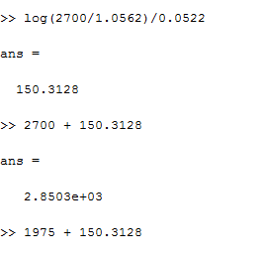
155 | 2,459 | 8,544
160 | 4,164 | 12,708
165 | 7,733 | 20,441
170 | 12,596 | 33,037
175 | 26,400 | 59,436
180 | 40,762 | 100,198
185 | 39,524 | 139,722
190 | 44,464 | 184,186
195 | 54,858 | 239,044
200 | 64,892 | 303,936
205 | 73,765 | 377,701
210 | 75,447 | 453,148

Annual Cell Prod (g)
World Annual Solar Photovoltaics Cell Production, 1990-2013
 | WorldPVCells
75 | 47
80 | 55
85 | 58
90 | 60
95 | 69
100 | 78
105 | 89
110 | 126
115 | 155
120 | 201
125 | 277
130 | 371
135 | 542
140 | 749
145 | 1,199
150 | 1,782
155 | 2,459
160 | 4,164
165 | 7,733
170 | 12,596
175 | 26,400
180 | 40,762
185 | 39,524
190 | 44,464

Annual Cell Projection (g)
World Annual Solar Photovoltaics Cell Production, 1990-2013, with Projection to 2017
 | WorldPVCells
75 | 47
80 | 55
85 | 58
90 | 60
95 | 69
100 | 78
105 | 89
110 | 126
115 | 155
120 | 201
125 | 277
130 | 371
135 | 542
140 | 749
145 | 1,199
150 | 1,782
155 | 2,459
160 | 4,164
165 | 7,733
170 | 12,596
175 | 26,400
180 | 40,762
185 | 39,524
190 | 44,464
195 | 54,858
200 | 64,892
205 | 73,765
210 | 75,447

Cumulative Cell Prod (g)
World Cumulative Solar Photovoltaics Cell Production, 1985-2013
 | Cumulative
50 | 99
55 | 125
60 | 154
65 | 188
70 | 228
75 | 275
80 | 330
85 | 388
90 | 448
95 | 517
100 | 594
105 | 683
110 | 809
115 | 964
120 | 1,165
125 | 1,442
130 | 1,813
135 | 2,355
140 | 3,104
145 | 4,303
150 | 6,086
155 | 8,544
160 | 12,708
165 | 20,441
170 | 33,037
175 | 59,436
180 | 100,198
185 | 139,722
190 | 184,186

